1862
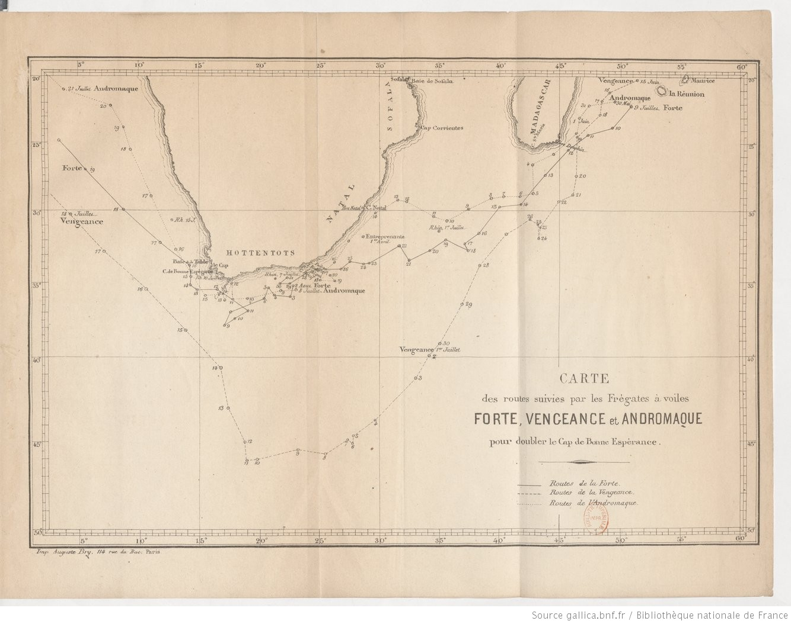
YEAR | MONTH | DAY | HOUR | LATITUDE | N/S | LONGITUDE | E/W | BAROMETER | THERMOMETER | WIND DIRECTION
1862 | 7 | 1 | 1200 | 33.46 | S | 23.22 | E | 760.00 | 17.0 | WNW
1862 | 7 | 1 | 2000 |  |  |  |  | 761.00 | 16.0 | W
1862 | 7 | 2 | 400 |  |  |  |  | 761.00 | 13.0 | NNW
1862 | 7 | 2 | 1200 | PORT ELIZABETH, ALGOA BAY |  |  |  | 762.00 | 19.0 | N
1862 | 7 | 2 | 2000 |  |  |  |  | 762.00 | 21.0 | NNE
1862 | 7 | 3 | 400 |  |  |  |  | 762.00 | 11.0 | NNE
1862 | 7 | 3 | 1200 | PORT ELIZABETH, ALGOA BAY |  |  |  | 760.00 | 22.0 | NNE
1862 | 7 | 3 | 2000 |  |  |  |  | 760.00 | 20.0 | Calm
1862 | 7 | 4 | 400 |  |  |  |  | 759.00 | 13.0 | Calm
1862 | 7 | 4 | 1200 | PORT ELIZABETH, ALGOA BAY |  |  |  | 758.00 | 23.0 | Calm
1862 | 7 | 4 | 2000 |  |  |  |  | 757.00 | 16.0 | S
1862 | 7 | 5 | 400 |  |  |  |  | 757.00 | 14.0 | NNW
1862 | 7 | 5 | 1200 | PORT ELIZABETH, ALGOA BAY |  |  |  | 758.00 | 19.0 | WSW
1862 | 7 | 5 | 2000 |  |  |  |  | 760.00 | 16.0 | W
1862 | 7 | 6 | 400 |  |  |  |  | 763.00 | 11.0 | WSW
1862 | 7 | 6 | 1200 | PORT ELIZABETH, ALGOA BAY |  |  |  | 764.00 | 13.0 | W
1862 | 7 | 6 | 2000 |  |  |  |  | 764.00 | 13.0 | W
1862 | 7 | 7 | 400 |  |  |  |  | 763.00 | 12.0 | NNE
1862 | 7 | 7 | 1200 | 34.08 | S | 23.21 | E | 762.00 | 15.0 | NNE
1862 | 7 | 7 | 2000 |  |  |  |  | 761.00 | 15.0 | N
1862 | 7 | 8 | 400 |  |  |  |  | 761.00 | 16.0 | WSW
1862 | 7 | 8 | 1200 | 35.23 | S | 23.00 | E | 763.00 | 19.0 | WNW
1862 | 7 | 8 | 2000 |  |  |  |  | 765.00 | 18.0 | W
1862 | 7 | 9 | 400 |  |  |  |  | 764.00 | 18.0 | WNW
1862 | 7 | 9 | 1200 | 35.38 | S | 21.40 | E | 764.00 | 26.0 | NNW
1862 | 7 | 9 | 2000 |  |  |  |  | 762.00 | 20.0 | NNE
1862 | 7 | 10 | 400 |  |  |  |  | 760.00 | 17.0 | NNE
1862 | 7 | 10 | 1200 | 36.07 | S | 18.44 | E | 760.00 | 17.0 | WNW
1862 | 7 | 10 | 2000 |  |  |  |  | 758.00 | 17.0 | WNW
1862 | 7 | 11 | 400 |  |  |  |  | 755.00 | 17.0 | NW
1862 | 7 | 11 | 1200 | 36.10 | S | 17.47 | E | 757.00 | 19.0 | NW
1862 | 7 | 11 | 2000 |  |  |  |  | 756.00 | 15.0 | WNW
1862 | 7 | 12 | 400 |  |  |  |  | 757.00 | 15.0 | WSW
1862 | 7 | 12 | 1200 | 35.00 | S | 17.39 | E | 761.00 | 14.0 | WSW
1862 | 7 | 12 | 2000 |  |  |  |  | 760.00 | 13.0 | WNW
1862 | 7 | 13 | 400 |  |  |  |  | 754.00 | 18.0 | NW
1862 | 7 | 13 | 1200 | 36.18 | S | 17.03 | E | 754.00 | 15.0 | NW
1862 | 7 | 13 | 2000 |  |  |  |  | 758.00 | 13.0 | WSW
1862 | 7 | 14 | 400 |  |  |  |  | 759.00 | 12.0 | WSW
1862 | 7 | 14 | 1200 | 35.44 | S | 16.51 | E | 759.00 | 14.0 | WNW
1862 | 7 | 14 | 2000 |  |  |  |  | 757.00 | 15.0 | NW
1862 | 7 | 15 | 400 |  |  |  |  | 752.00 | 14.0 | NW
1862 | 7 | 15 | 1200 | 35.50 | S | 15.28 | E | 754.00 | 10.0 | SSW
1862 | 7 | 15 | 2000 |  |  |  |  | 756.00 | 10.0 | SSW
1862 | 7 | 16 | 400 |  |  |  |  | 756.00 | 10.0 | SW
1862 | 7 | 16 | 1200 | 32.45 | S | 12.38 | E | 760.00 | 13.0 | SW
1862 | 7 | 16 | 2000 |  |  |  |  | 762.00 | 11.0 | SSE
1862 | 7 | 17 | 400 |  |  |  |  | 762.00 | 12.0 | SSE
1862 | 7 | 17 | 1200 | 28.52 | S | 10.54 | E | 763.00 | 17.0 | SE

